Sheet4
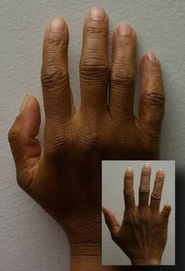
Area of body | Patient type: | Description | link | Picture
finger | adult | For patients who have experienced the loss of a finger(s) due to trauma, | http://www.medicalexpo.com/prod/anaplastology-clinic/product-74910-457590.html
 |  | disease or a congenital condition, a silicone finger prosthesis serves an
 |  | important functional role:
 |  | Protects the surgery site which is commonly hypersensitive
 |  | Typing
 |  | Piano playing
 |  | Clerical work
 |  | Household tasks
 |  | Personal hygiene tasks
 |  | Improved confidence

 |  | Suction retention is the most common method to ensure a
 |  | comfortable and secure fit for a finger prosthesis, though other retention methods,
 |  | such as adhesives, are also available.

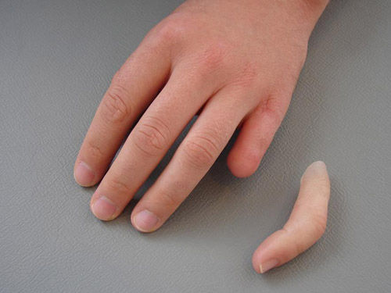
finger | adult | // not mentioned. We need to write on our own while making the data base | http://www.medicalexpo.com/prod/stamos-braun-prothesenwerk/product-110802-775321.html

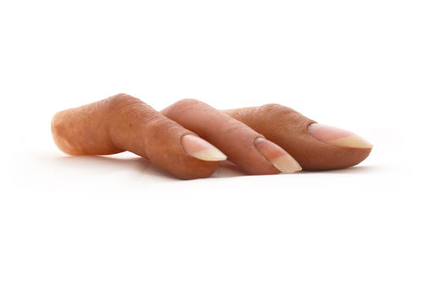
finger | adult | Every prostheses made in our laboratory is custom molded from rubber | http://www.medicalexpo.com/prod/protunix/product-80284-719640.html
 |  | medical grade silicone to ensure a sustainable and secure
 |  | biocompatible and comfortable fit. The layering technique,
 |  | moulding and colour matching used to produce the prosthesis allows an aspect
 |  | that gives life to the member and close to 95% of the ColourMatch tone of the patient’s skin.

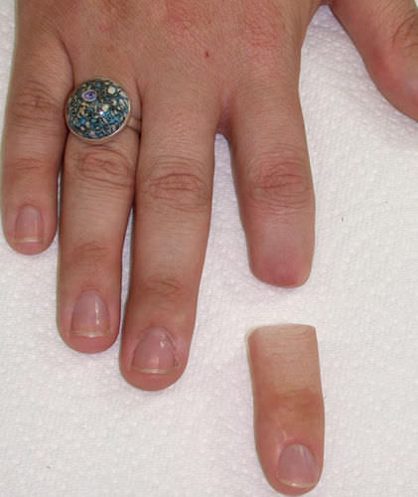
finger | adult | // not mentioned. We need to write on our own while making the data base | http://www.medicalexpo.com/prod/aesthetic-prosthetics/product-80496-507500.html

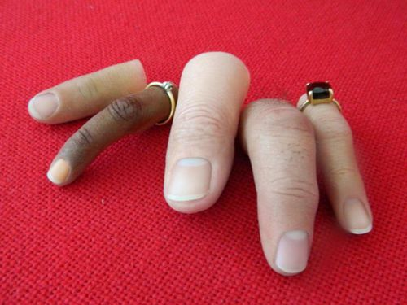
finger | adult | In the case of fingers, for any type of stump the prosthesis is anchored
 |  | to the remaining part of the finger, which must have a minimum length of 1.5 cm. | http://www.medicalexpo.com/prod/ortopedia-protesica-dyval/product-80126-698500.html

Sheet5
teeth

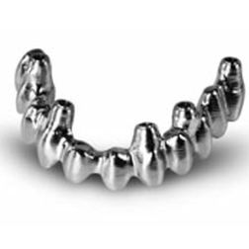
part of body | name | material | tooth type | Description | link | picture
teeth | Titanium dental bridge | titanium, CoCr | posterior teeth | BioCam®technology represents a unique production | http://www.medicalexpo.com/prod
 | / CoCr / posterior teeth |  | , anterior teeth | system of precise superstructures which allows direct | /lasak-ltd/product-73048-813087.html
 | / anterior teeth |  |  | fixation in dental implantswithout the
 |  |  |  | use of abutments or other connecting elements.
 |  |  |  | This reduces the number of gaps,
 |  |  |  | between the implant and the super-structure,
 |  |  |  | which can be a potential source of bacterial contamination

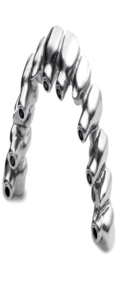
teeth | Titanium dental bridge | titanium, CoCr | posterior teeth | LASAK CadCamLASAK CadCam bridgeBridges and | http://www.medicalexpo.com/prod
 | / CoCr / posterior teeth |  | , anterior teeth | abutments High precision – perfect, passive fit Homogenous | /lasak-ltd/product-73048-813035.html
 | / anterior teeth |  |  | structure – free from internal defects Direct fixation
 |  |  |  | to implants without abutments Time- and cost-effective

teeth | PMMA dental prosthesis / anterior teeth / posterior teeth | PMMA | anterior teeth, posterior teeth | C cervical emphasized | http://www.medicalexpo.com/prod | 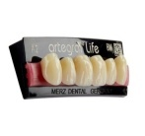
 | artegral®life |  |  | striking, firm, masculine | /merz-dental-gmbh/product-73246-
 |  |  |  | B body emphasized | -801515.html
 |  |  |  | harmonious, neutral
 |  |  |  | I incisal emphasized
 |  |  |  | grace, elegance, feminine

teeth | PMMA dental prosthesis / anterior teeth / posterior teeth | PMMA | anterior teeth, posterior teeth | anterior | http://www.medicalexpo.com/prod/ merz-dental-gmbh/product-73246- 801516.html | 
 | Delta Form®
 |  |  |  | In orientation to the conventional shape of anteriors, the DeltaForm anterior assortment comprises of 15 upper and 8 lower sets. Impressing naturalness and simple brilliance are particularly suitable for the standard treatment. Its clear shape and outline fulfils the expectations of long-time denture wearers and that not only by age-based modellation, which is supported by its cervical outline.

 |  |  |  | posterior

 |  |  |  | The lingualized mortar-pistil-occlusion allows a safe balance supported by characteristic abrasion facets. The DeltaForm is the contemporary alternative to conventional denture teeth for standard treatment and especially designed for users of semi-anatomical posteriors, who expect a minor cusp angle with a safe and at the same time soft centric. In addition the DeltaForm offers the necessary body form also for partial dentures. The characteristics of the DeltaForm posterior bring the demands to the contemporary denture resin technique straight to the point. Simple, time-saving set-up with little grinding and high masticating stability increases the economical benefit.
teeth | PMMA dental prosthesis / anterior teeth / posterior teeth | PMMA | anterior teeth, posterior teeth | The next generation artegral is the adaption to contemporary needs with added value for the modern user. Aesthetic and function of matured kind. In constructive dialogue with users, the artegral anterior was designed closest to nature, new moulds developed leaving prosthetic newly interpreted. | http://www.medicalexpo.com/prod/ merz-dental-gmbh/product-73246- 717620.html | 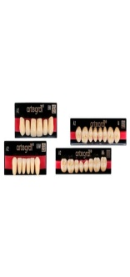
 | artegral®
 |  |  |  | The ANTERIOR

 |  |  |  | new, additional anterior moulds: BO, BI und IT
 |  |  |  | perfect light-refraction
 |  |  |  | life-like layers
 |  |  |  | 19 upper und 10 lower anterior moulds
 |  |  |  | ideal for hybrid and implant constructions as well as for full and partial prosthetics
 |  |  |  | plaque-resistant, made of Organic Modified Polymer-Network (OMP-N®)
 |  |  |  | The CBI®-System
 |  |  |  | The artegral® moulds continue the innovative and function-orientated standard of the efficient CBI®-System.

 |  |  |  | C-mould = cervical emphasized - striking, firm, masculine
 |  |  |  | B-mould = body emphasized - harmonious, neutral
 |  |  |  | BI-mould = body-incisal emphasized
 |  |  |  | BO-mould = body-oval emphasized
 |  |  |  | I-mould = incisal emphasized – grace, elegance, feminine
 |  |  |  | IT-mould = incisal-triangular emphasized
teeth | PMMA dental prosthesis / posterior teeth / anterior teeth | PMMA | posterior teeth, anterior teeth | SAVE TIME WITH NO LIMITS IN FUNCTION | http://www.medicalexpo.com/prod/ merz-dental-gmbh/product-73246- 717619.html
 | artVeneer® |  |  | artVeneers offer a wide range of solutions at a high aesthetic level.
 |  |  |  | Supplemented by a range of tooth-coloured PMMA acrylics and matching opaquers, primers and bonding agents, the artConcept product range meets all contemporary requirements for durability, plaque resistance, and high strength combined with elasticity, which is particularly important for combined dentures such as telescopic prosthetics.
teeth | Acrylic dental prosthesis / anterior teeth | acrylic | anterior teeth | Acry Smart is the innovative system of acrylic resin artificial teeth which will bring the future in to your job. Versatile, resistant and aesthetically natural which will enable you to obtain excellent results.Behind the most natural smile we have placed the most intelligent technology. | http://www.medicalexpo.com/prod/ dental-manufacturing-spa-ruthinium- group/product-71976-802850.html | 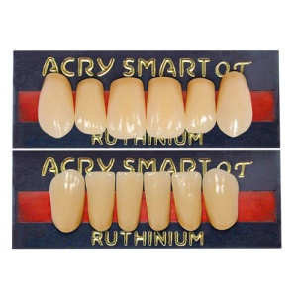
 | Acry Smart
 |  |  |  | Smart Innovative in the idea and use
 |  |  |  | Functional Easy identification of functional movements
 |  |  |  | Durable Unchanged occlusion
 |  |  |  | Versatile Adaptable to all different setting up techniques
 |  |  |  | Easy Short time setting up

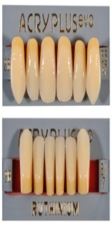
teeth | Acrylic dental prosthesis / anterior teeth / posterior teeth | acrylic | anterior teeth, posterior teeth | Quality materials, aesthetics, natural occlusion morphology | http://www.medicalexpo.com/prod/ dental-manufacturing-spa-ruthinium- group/product-71976-802851.html
 | Acry Plus EVO |  |  | and practical innovative use are the grounds for our work
 |  |  |  | to help you get the best results with:
 |  |  |  | • Complete prostheses.
 |  |  |  | • Over dentures.
 |  |  |  | • Toronto bridges.
 |  |  |  | • Bar prostheses.
 |  |  |  | Range of 16 shades, 8 moulds of upper anteriors, 5 lower
 |  |  |  | anteriors and 6 posterior upper and lower.

teeth | Acrylic dental prosthesis / anterior teeth / posterior teeth | acrylic | anterior teeth, posterior teeth | Acrylic teeth in polymethacrylate produced with two | http://www.medicalexpo.com/prod/ dental-manufacturing-spa-ruthinium- group/product-71976-802854.html | 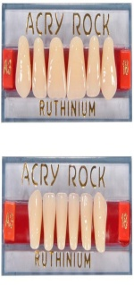
 | Acry Rock V |  |  | chromatic layers.
 |  |  |  | The main characteristics are:
 |  |  |  | • High aesthetical effect due to superimposition of the two
 |  |  |  | layers and due to the crown cut of incisal edges.
 |  |  |  | • Good chemical-physical resistance obtained by using
 |  |  |  | the very best of raw materials.
 |  |  |  | • Large assortment of moulds and shades which make
 |  |  |  | the tooth adaptable to any prosthesis requirement.
 |  |  |  | Range of 19 shades, 32 moulds of upper anteriors, 19
 |  |  |  | lower anteriors and 22 postriors.

teeth | Nanocomposite dental prosthesis / anterior teeth | nanocomposite | anterior teeth | These moulds come in 16 shades A-D and 4 unique bleach shades. The variety of these lifelike moulds are designed to complement the traits of each patient. These anterior moulds are resistant to high wear. These moulds have remarkable aesthetic qualities and are available in 18 upper mould styles and 6 lower moulds. | http://www.medicalexpo.com/prod/ ivoclar-vivadent/product-72878-536657 .html | 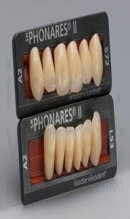
 | SR Phonares II

